Intoduction
## Importance of Data Visualization
Data visualization is the process of presenting data in a graphical or pictorial form (charts, graphs, dashboards) so that patterns, trends, and insights can be easily understood.
## Why it’s important:
1. Simplifies complex data – Large datasets become easier to interpret.
2. Quick decision-making – Visuals allow managers and analysts to spot trends instantly.
3. Identifies patterns & outliers – Helps in detecting growth, decline, or unusual data.
4. Improves communication – Clear visuals make it easier to share insights with teams.
5. Enhances memory & retention – People remember visuals better than raw numbers.
6. Supports storytelling with data – Makes reports and presentations more persuasive.
## Different Elements of Charts in Excel
1. Chart Area: The complete area that contains the entire chart including all elements.
2. Plot Area: The part inside the axes where the data is actually plotted (bars, lines, columns, etc.).
3. Data Series: The actual data points (e.g., student scores) represented on the chart.
4. Axes (X-axis and Y-axis)
X-axis: Horizontal axis (e.g., Student names).
Y-axis: Vertical axis (e.g., Marks, percentages).
5. Axis Titles: Labels that describe what each axis represents (e.g., “Subjects” on X-axis, “Scores” on Y-axis).
6. Chart Title: Describes the overall purpose of the chart (e.g., “Student Performance in Subjects”).
7. Legend: Explains what each color or symbol in the chart represents (e.g., Chemistry = Blue, Physics = Red).
8. Data Labels: Numbers or values displayed directly on the chart to show exact data points.
9. Gridlines: Horizontal/vertical lines that improve readability of values across the chart.
10. Trendlines (optional): Lines added to show trends or forecasts based on existing data.

Basics
How to Create Basic Easy Charts

Year | Student_Registration
2012 | 200 | Chart Created Using 'Recommended Chart' Option u/Insert Tab
2013 | 450
2014 | 400
2015 | 560
2016 | 670
2017 | 800
2018 | 850
2019 | 900
2020 | 920
2021 | 1000
2022 | 1100
2023 | 1190
2024 | 1280

Bar & Column Charts
## Steps to Create a Blank 2D Column Chart:
1. Go to Insert → Charts group → 2-D Column → Clustered Column.
2. A blank chart area will appear (because no data is selected yet).
## Adding Data using “Select Data”:
1. Right-click on the blank chart → choose Select Data.
2. The Select Data Source dialog box appears with two sections:
-- Legend Entries (Series) – Controls what data series are plotted.
-- Horizontal (Category) Axis Labels – Controls the labels shown on the X-axis.
----------------------------------------------------------------------------------------------------------------------------------------
## Adding Legend Entries (Series):
1. Click Add under Legend Entries (Series).
2. A new dialog box “Edit Series” appears:
-- Series Name → Select the header cell.
-- Series Values → Select the data range.
----------------------------------------------------------------------------------------------------------------------------------------
## Adding Horizontal (Category) Axis Labels
1. In the Select Data Source dialog, click Edit under Horizontal (Category) Axis Labels.
2. Select the range of labels. ----------------------------------------------------------------------------------------------------------------------------------------
✅ In Summary:
Legend Entries (Series) → Controls what data series (subjects, marks) appear in the chart.
Horizontal Axis Labels → Controls what categories (students, months, years) appear on the X-axis.
 | Bar & Column Charts

Sales: Pencils - Pens - Notebook
 |  |  | Column Charts
Month | Pencils | Pens
Jan | 8000 | 7500
Feb | 8900 | 7100
Mar | 9500 | 6000
Apr | 11250 | 5500
May | 13170 | 4800
Jun | 14500 | 3400
Jul | 15550 | 2900

Month | Notebook
Jan | 2000
Feb | 2500
Mar | 3500
Apr | 4500
May | 5000
Jun | 6700
Jul | 8000

Formatting Charts
Formatting Charts
Sales: Pencils - Pens - Notebook
 | Pencils | Pens | Notebook
Jan | 8000 | 7500 | 2000
Feb | 8900 | 7100 | 2500
Mar | 9500 | 6000 | 3500
Apr | 11250 | 5500 | 4500
May | 13170 | 4800 | 5000
Jun | 14500 | 3400 | 6700
Jul | 15550 | 2900 | 8000

📊 Chart Formatting in Excel
Excel charts have Multiple elements that can be formatted individually. The most important formatting sections are:
1. Axis Formatting (Horizontal & Vertical)
2. Axis Options (scaling, ticks, labels, etc.)
3. Legend Formatting
4. Other Chart Elements (titles, gridlines, data labels, etc.)
---------------------------------------------------------------------------------------------------------------------------------------------------------------------------------- ## Format Axis: When you right-click an axis → Format Axis, a pane opens with 2 main sections: Axis Options and Text Options.
A. Axis Options (Scaling and Positioning):
1. Bounds: Minimum & Maximum: Define axis start and end values (default is automatic).
2. Units:
-- Major Unit: Interval between major gridlines or tick marks.
-- Minor Unit: Interval between minor gridlines or ticks.
3. Axis Position: On tick marks vs. Between tick marks (for category axis).
4. Logarithmic Scale: Log scale (e.g., base 10), useful for large ranges.
5. Values in Reverse Order: Flips axis orientation (e.g., bottom to top or right to left).
6. Crosses At: Decide where the other axis should cross (e.g., at zero or custom value).
B. Tick Marks:
1. Major Tick Mark Type: None, Inside, Outside, Cross.
2. Minor Tick Mark Type: Same options but for minor intervals.
C. Axis Labels:
1. Label Position: Next to Axis, High, Low, None.
2. Number Formatting: Customize number, currency, date, percentage, scientific notation, etc.
D. Line & Fill (under Format Axis → Fill & Line)
1. Solid Fill, Gradient Fill, Pattern Fill
2. Solid Line, Gradient Line, Dashed Line
3. Transparency, Color, Width, Cap type, Join type.
E. Text Options
1. Text Fill & Outline: Color, transparency, gradient, glow, soft edges.
2. Text Effects: Shadow, Reflection, Glow, 3D Format, 3D Rotation.
3. Text Box: Text alignment, direction (horizontal, vertical, rotated), margin, auto-fit.
----------------------------------------------------------------------------------------------------------------------------------------------------------------------------------
## Chart Axis (Horizontal & Vertical): A chart usually has:
1. Category Axis (X-Axis) → Categories (text, dates, time).
2. Value Axis (Y-Axis) → Numbers.
3. Secondary Axis → Added for comparing different scales. Options include:
-- Showing or hiding axis lines. -- Formatting Numbers differently (e.g., percentages, currency).
-- Using Date Axis vs. Text Axis (important for time-based data).
-- Secondary Axis: Adds another axis to handle different ranges.
---------------------------------------------------------------------------------------------------------------------------------------------------------------------------------- ## Axis Options: Available when Formatting axes:
1. Minimum/Maximum: Manual or Auto scale. 2. Major/Minor Units: Spacing of gridlines/ticks.
3. Tick Mark Type: Major (important intervals) and Minor (smaller intervals).
4. Axis Crosses: Where axis intersects (at zero, min, or custom value).
5. Display Units (e.g., Thousands, Millions, Billions). 6. Number Format: Linked to source or custom (doesn’t affect underlying data).
---------------------------------------------------------------------------------------------------------------------------------------------------------------------------------- ## Format Legend: When you select the Legend → Format Legend, options include:
A. Legend Options
1. Legend Position: Top, Bottom, Left, Right, Top-Right Overlay.
2. Show/Hide: Turn legend on/off.
3. Legend Entries Order: Change sequence of items (via Select Data).
B. Fill & Border
1. Fill: Solid, Gradient, Pattern, Picture/Texture.
2. Border: Solid line, dashed line, gradient line.
C. Effects: Shadow, Reflection, Glow, Soft Edges, 3D Format, 3D Rotation.
D. Text Options
1. Font style, size, bold/italic. 2. Text Fill/Outline.
3. Text effects (shadow, glow, etc.). 4. Alignment (left, center, right).
----------------------------------------------------------------------------------------------------------------------------------------------------------------------------------
## Other Chart Formatting Categories:
1. Chart Area → Background (fill, border, effects).
2. Plot Area → Inside region with data (custom fills).
3. Data Series → Change color, line, marker, error bars.
4. Data Labels → Value, category name, percentage, series name, position (inside, outside, center).
5. Gridlines → Major/minor gridlines formatting.
6. Trendline → Type (linear, exponential, polynomial, moving average), forecast, display equation/R².
7. Chart Title → Position (above chart, centered overlay), font, effects.
## Vertical (Value) Major Gridlines:
These are the horizontal lines across the chart that align with the vertical (value) axis (Y-axis). They help in visually comparing values across categories or data points.
1. Line:
Color – Solid/gradient color for the gridlines.
Transparency – Makes gridlines lighter/darker.
Width – Controls thickness of gridlines.
Dash type – Solid, dashed, dotted.
Cap type & Join type – For fine styling of ends/corners.
2. Effects:
Shadow – Adds shadow behind lines.
Glow & Soft Edges – Decorative styling for visibility.
3-D Format – Adds depth effects (rarely used for gridlines).\
--------------------------------------------------------------------------------------------------------------------------------------------------------------------------------------------------------
## Series Formatting (Series Options):
This controls how the data series (bars, lines, columns, etc.) appear.
A. Series Options
Plot Series On – Choose whether series is plotted on Primary Axis or Secondary Axis (useful for dual-axis charts).
Gap Width (Column/Bar Charts) – Adjusts space between bars/columns. Smaller gap = bars look wider.
Series Overlap (Column/Bar Charts) – Determines if bars overlap or stay side by side (important for clustered vs. stacked visuals).
Angle of First Slice (Pie Charts) – Rotates the starting point of slices.
Doughnut Hole Size (Doughnut Charts) – Changes inner circle size.
Bubble Size (Bubble Charts) – Controls scaling of bubble size.
B. Fill & Line
Fill – Solid, gradient, pattern, picture/texture fills for bars/areas.
Border – Outline color, style, thickness.
C. Effects
Shadow – Drop shadow for data series.
Glow – Highlight effect around series.
Soft Edges – Blurred edges.
3-D Format / Rotation – Depth, bevel, rotation.
D. Data Labels & Marker Options (for Line/Scatter)
Marker Style, Size, Fill, Border – Customize each data point’s marker.
Data Labels – Add values, percentages, or custom text above series.

Line Charts
Line Charts

Sales Contributions
Month | Pencils | Pens | Notebooks
Jan | 49.5% | 48.5% | 2.0%
Feb | 46.1% | 49.0% | 4.9%
Mar | 45.7% | 50.1% | 4.2%
Apr | 42.8% | 51.2% | 6.0%
May | 38.0% | 58.7% | 3.3%
Jun | 32.1% | 63.7% | 4.2%
Jul | 30.9% | 64.8% | 4.3%
Aug | 28.7% | 67.9% | 3.4%
Sep | 25.8% | 69.7% | 4.5%
Oct | 22.8% | 70.8% | 6.4%
Nov | 21.7% | 72.9% | 5.4%
Dec | 20.4% | 73.4% | 6.2%

📈 When to Use a Line Chart
-- Line chart is used to show trends or changes over time (continuous data).
## Time-based data (continuous):
1. Sales over months/years. 2. Website traffic per day. 3. Stock prices over time.
## Trend analysis:
1. Show upward or downward patterns.
2. Spot seasonality (e.g., peak in December).
## Comparing multiple trends:
1. Two or more series can be plotted with different colored lines.
2. Example: Sales vs. Profit over months.
## Data with many points: Line charts handle lots of data better than bar/column (less clutter).
✅ In short: Use a line chart when your focus is on how values change over time (trend/continuity), not just
comparing totals.

Area Charts
Area Charts
Sales Comparision
Month | Pencils | Pens | Notebooks
Jan | 5000 | 6500 | 1200
Feb | 7100 | 7500 | 2000
Mar | 9000 | 8000 | 1670
Apr | 10000 | 10000 | 2000
May | 10500 | 10750 | 2235
Jun | 11650 | 11850 | 2442
Jul | 12640 | 12950 | 2649
Aug | 12900 | 14050 | 2856
Sep | 13785 | 15150 | 3063
Oct | 13936 | 16250 | 3270
Nov | 14550 | 17350 | 3477
Dec | 15490 | 18450 | 3684
## Area Charts
An Area chart is like a line chart but with the area under the line filled in. It’s used when you want to show trends over time + the magnitude (volume) of values.
✅ Best used when:
1. Showing cumulative data → e.g., total sales over months.
2. Highlighting the size of change → not just direction, but how much.
3. Comparing parts to a whole (stacked area) → e.g., market share of companies across years.
4. Emphasizing overall volume → energy consumption, rainfall, population growth.
⚠️ Avoid Area charts when:
-- You have too many categories/series → overlaps become confusing.
-- Exact values matter more than trends → bars/lines are clearer.
✅ In short: Use area charts when you want to show trend + total magnitude, especially for cumulative or stacked data.

Pie Charts
Sales Contribution
Pie Charts

Exploding a Pie Chart in Excel
## What it Means?
-- “Exploding” a pie chart means pulling one or more slices slightly away from the center of the pie.
## Why It’s Used:
1. Highlight a specific category → e.g., show that Marketing costs are the biggest expense.
2. Draw attention to an important slice (like profits vs losses).
3. Improve readability when slices are close in size.
Items | Units Sold
Pens | 150
Pencils | 480
Notebooks | 320
Files | 250
Chartpapers | 100
Scrapbooks | 350
Others | 370

## Pie Chart
✅ Use Pie Charts When:
1. You want to show proportions of a whole (100%)
-- Example: A company’s expense split – Salaries 50%, Marketing 30%, Tech 20%.
2. There are only a few categories (3–6 slices max) -- Too many slices = messy. Pie charts work best with big, clear chunks.
3. The focus is on relative size, not exact numbers -- Example: Which product line has the largest share of sales?
------------------------------------------------------------------------------------------------------------------------------------
⚠️ Don’t Use Pie Charts When:
1. Categories are too many. 2. Values are too similar (hard to see differences).
3. You need to show change over time (use line or area instead).
------------------------------------------------------------------------------------------------------------------------------------
🔄 Pie vs. Other Charts:
-- Pie → Best for “what portion of the whole?”
-- Bar/Column → Better if you want exact comparison between categories.
-- Line/Area → Better if you want to see changes or trends over time.
------------------------------------------------------------------------------------------------------------------------------------
✅ In Short: A pie chart is for shows — how much each part contributes to the total. Use it when you care about percentages and contribution, not about precise numbers or trends.

 |  |  |  |  | Pie of Pie Charts | Pie of Bar Charts
Sales Contribution
Sales Contribution

 |  |  | Items | Units Sold
 |  |  | Pens | 150
 |  |  | Pencils | 480
 |  |  | Notebooks | 320
 |  |  | Others [Erasers] | 370
 |  |  | Others [Sharpners] | 215
 |  |  | Others [Highlighter] | 117
 |  |  | Others [Clips] | 190

 |  |  | By Right Clicking on Smaller Pie we can change the Num of Sllices via --> Format Data Series --> Values in Plot.

## Pie of Pie Chart
## What it is: A regular pie chart, but the smallest slices are grouped together and shown as a separate smaller pie next to it.
## Why use it:
1. When your pie has too many tiny slices that are hard to read.
2. To avoid clutter and still show detail for smaller categories.
--> Example: Suppose you show Company Expenses with categories: Salaries, Marketing, Tech, Travel, Training, Misc.
-- Salaries, Marketing, Tech are big slices.
-- Travel, Training, Misc are small → Excel groups them and shows them in a second pie.
## Bar of Pie Chart
## What it is: Same idea as Pie of Pie, but instead of showing the smaller values in another pie, Excel shows them in a stacked bar chart next to the main pie.
## Why use it:
1. When you want clearer readability (bars are easier to compare than thin slices).
2. Useful if your small slices are too many or have close values.
## Example: -- Same expenses case → small categories like Travel, Training, Misc get shown in a Bar chart to the side, while the main pie shows the larger categories.

Doughnut Charts
Sales Contribution
Items | Unit Sold [2021] | Units Sold [2022]
Pens | 1150 | 1760
Pencils | 780 | 900
Notebooks | 580 | 650
Others [Erasers] | 370 | 450
Others [Sharpners] | 215 | 417
Others [Highlighter] | 117 | 190
Others [Clips] | 190 | 250

## Doughnut Chart
## What It Is: A circular chart like a pie chart, but with a Hole in the Middle. Each Ring represents data (you can even have multiple rings).
## When to Use It:
1. To show parts of a whole (just like pie charts).
2. To compare multiple series in one chart (something pie charts can’t do).
3. To give a cleaner, modern look than a pie.
## Best For:
1. Budget breakdown (Expenses, Savings, Investments).
2. Market share with multiple product categories.
3. Multi-level data → e.g.,
-- Inner ring = Sales 2024
-- Outer ring = Sales 2025
## Advantages:
1. Can show more than one series in concentric rings 2. Looks cleaner than a crowded pie.
3. Space in the center can be used for labels (like total value).
## Limitations:
1. Not good if you need precise comparison → bar/column is better.
2. Too many slices = cluttered (same problem as pie charts). 3. Harder to read exact proportions compared to bars.

Scatter Plot Chart
📈 Trendline Options in Excel
-- When you right-click a series → Add Trendline → you’ll see different types:
A. Linear Trendline:
1. Description: Straight line that best fits your data.
2. Use When: Data has a roughly straight-line increase or decrease.
3. Example: Sales growing steadily by the same amount each month.
B. Exponential Trendline:
1. Description: Curved line that rises (or falls) at an increasing rate.
2. Use When: Growth/decay accelerates over time.
3. Example: Population growth, compound interest, virus spread.
C. Logarithmic Trendline:
1. Description: Increases quickly at first, then levels off.
2. Use When: Growth slows down after a fast start.
3. Example: Adoption of new technology, learning curves.
D. Polynomial Trendline:
1. Description: A curved line that can have multiple bends (U-shapes, S-shapes).
2. Use When: Data fluctuates (ups and downs).
3. Degree Setting:
-- Order 2 (quadratic) → U-shape.
-- Order 3 → S-shape.
-- Higher order → fits more curves.
4. Example: Roller-coaster sales (rise, dip, rise again).
E. Power Trendline:
1. Description: Curved line showing data that increases at a certain power rate.
2. Use When: Both X and Y values increase proportionally (multiplicative)
3. Example: Physics formulas (area vs. side length), scientific data.
F. Moving Average Trendline:
1. Description: Smooths data by averaging points in a defined period.
2. Use When: Data is noisy/volatile and you want to see the general trend.
3. Setting: Period = number of points used in each average.
4. Example: Stock prices, weather patterns.
⚙️ Extra Options under Format Trendline:
-- Display Equation on Chart → Shows the math formula of the line.
-- Display R-squared Value → Shows how well the line fits the data (closer to 1 = better fit).
-- Forecast → Extend the trendline forward or backward in time to predict future/past values.
-- Set Intercept → Fix the starting point on Y-axis if needed.
✅ In short:
1. Linear → steady trend. 2. Exponential → rapid growth/decay.
3. Logarithmic → fast start, then levels off. 4. Polynomial → fluctuating ups/downs.
5. Power → proportional growth (scientific). 6. Moving Average → smooths volatility.
Scatter Plot / XY Chart
Sales wrt Marketing Spends

Year | Month | Marketing Spend | Sales
2023 | Jan | 1000 | 100
 | Feb | 1500 | 150
 | Mar | 2000 | 180
 | Apr | 2500 | 250
 | May | 2020 | 230
 | Jun | 3000 | 320
 | Jul | 3200 | 380
 | Aug | 3500 | 420
 | Sep | 3800 | 480
 | Oct | 4200 | 510
 | Nov | 4800 | 550
 | Dec | 5000 | 580

## Scatter Plot (XY Chart) in Excel
📍 What It Is: A chart that plots data points based on two numeric variables → one on the X-axis and one on the Y-axis. Unlike line/column charts, the X-axis is numeric (continuous), not categories.
✅ When to Use a Scatter Plot:
1. Show Relationships/Correlations between two variables.
-- Example: Hours studied vs. Exam score (does more study = higher marks?).
2. Compare large sets of data points.
-- Example: Heights vs. Weights of 200 students.
3. Identify patterns or clusters.
-- Example: Customer income vs. spending → see different customer groups.
4. Highlight outliers.
-- Example: One machine producing defects way off the normal range.
5. Show scientific/technical data.
-- Example: Speed vs. Fuel Efficiency, Temperature vs. Reaction Rate.
📊 Types of Scatter/XY Charts:
1. Scatter with only markers → Just points (raw relationships).
2. Scatter with lines → Connects points to show progression (like time series).
3. Bubble chart (variation) → Third variable shown by bubble size.
⚠️ Don’t Use Scatter Plots When:
-- Your X-axis data is categorical (names, months, regions) → then use a column/line chart instead.
-- You only want to compare totals or proportions → use bar/pie.

Bubble Charts
Total Mistakes wrt Hrs of Coaching
Bubble Chart

Name | Total Mistakes | Hours of Coaching | Reduced Mistakes
A | 80 | 5 | 20
B | 65 | 3 | 13
C | 70 | 7 | 28
D | 46 | 4 | 17
E | 56 | 2 | 10
F | 48 | 5 | 23
G | 52 | 7 | 26

🔵 Bubble Chart
📍 What It Is:
1. A type of XY scatter chart where each point is a bubble.
2. The X-axis = one numeric variable.
3. The Y-axis = second numeric variable.
4. The bubble size = third numeric variable.
✅ When to Use a Bubble Chart
1. Show relationships between three variables
$$Example:
-- X = Advertising Spend
-- Y = Sales Revenue
--Bubble Size = Market Share
2. Compare proportions while keeping trends visible
$$Example: Countries →
-- X = GDP per capita
-- Y = Life Expectancy
-- Bubble Size = Population
3. Identify clusters and outliers: Large vs small bubbles stand out immediately.
4. Visualize multi-dimensional business data
$$Example: Products →
-- X = Price
-- Y = Units Sold
-- Bubble Size = Profit Margin
⚠️ When NOT to Use
1. If you only have two variables → scatter plot is clearer.
2. If bubble sizes don’t vary much → chart looks confusing.
3. If you have too many points → bubbles overlap, hard to read.
✅ In short:
Bubble chart shows relationship b/w Two Numeric Variables (X & Y) plus a 3rd variable represented by Bubble size. Perfect for comparing trends + magnitude at once.

Waterfall Charts
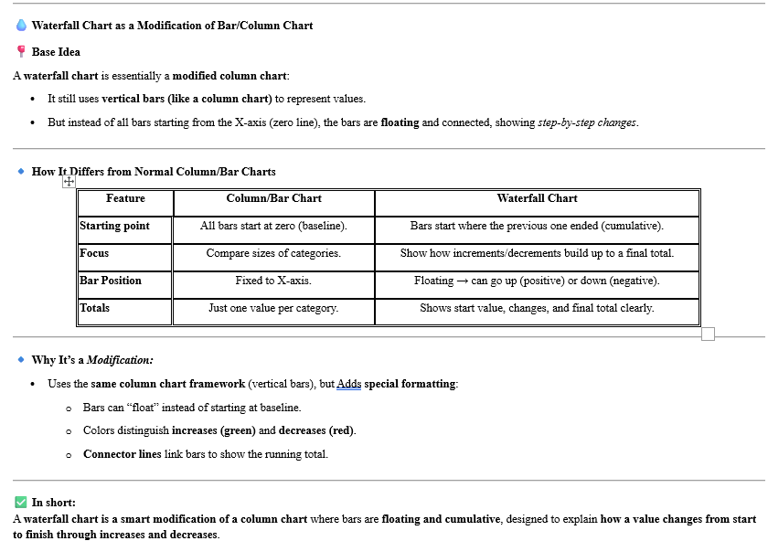
Net Income
Waterfall Chart
 |  |  | Invisible Series | Visible Series
Revenue | 25000 |  | 0 | 25000
Cost of Goods | -8500 |  | 16500 | 8500
Gross Margin | 16500 | Modified version of Bar Column | 0 | 16500
Admin Expense | -1250 |  | 15250 | 1250
Net Income | 15250 |  | 0 | 15250

💧 Waterfall Chart
📍 What It Is:
It shows how a Running value increases & decreases step by step until it reaches the final value. Looks like “floating columns” where positive values go up and negative values go down.
✅ When to Use a Waterfall Chart
1. Financial Statements:
Show how Net Profit is derived from Revenue after adding/subtracting costs, taxes, discounts, etc.
2. Variance Analysis:
Compare Budget vs Actual → show where the differences came from.
3. Breakdown of totals:
Explain how different components contribute to the overall change.
4. Step-by-step contributions:
Example: Starting with 100 units → add new sales, subtract churn, add renewals → ending with 130 units.

Sparklines
Pen Sales
 | Sparklines

Minimised version of Line and Column Chart
 | Jan | Feb | Mar | Apr | May | Jun | Jul | Aug | Line Sparkline
Pens | 1250 | 1340 | 1100 | 1590 | 1768 | 1890 | 1998 | 2000
Pencils | 2300 | 2578 | 3456 | 3789 | 4590 | 4789 | 5990 | 5890

Score | 2 | 3 | 0 | -1 | 2 | 5 | 7 | 6

 |  |  | Win or Loss Sparkline

Pencil Sales

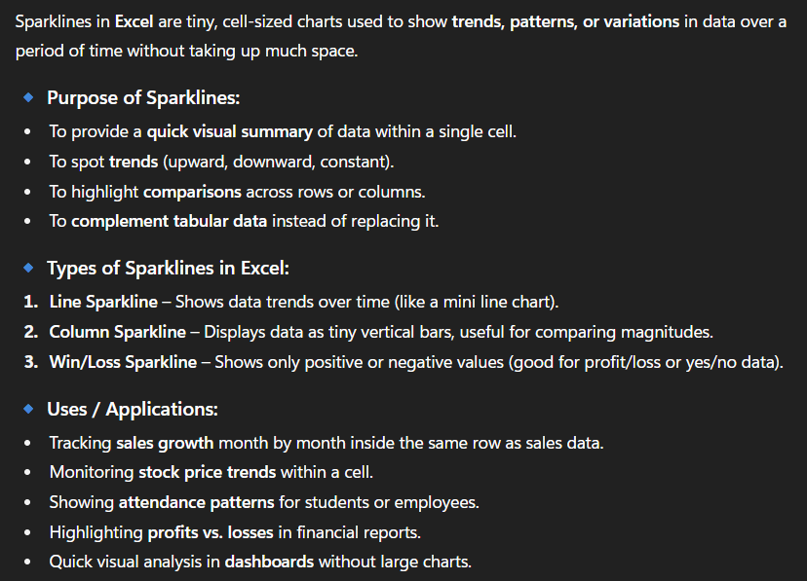
 |  |  |  |  |  |  |  |  | Column Sparkline

